Instructions
HISTORICAL ANALYSIS OF ADOPTED BUDGETS
Created By: MASBO
Date: June 2024

The information provided in this document is intended for general information purposes only and should not be construed as legal advice. It is meant to be used in conjunction with your adopted budgets at your Budget Meeting each August, but can be used in a variety of ways. It provides a visual aid that may be better understood by trustees and the general public.

You are welcome to tailor in any way to better suit your district. You can find the data for these charts and tables in your OPI Adopted Budget Reports.

Add data to the GREEN cells, the rest will populate. Any associated charts will also auto fill as the data tables are being completed.

When adding your district's data, please make sure to add any additional cells to the data captured in the charts data range by following the steps below:

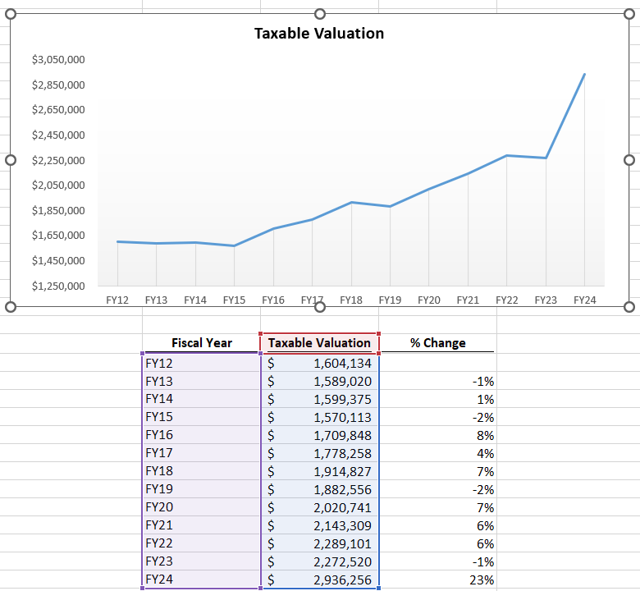

 | Step 1- Click once on the white background of the chart.

 | Step 2- Click on the bottom shaded boxes of the data columns that appear on the table where the chart data is being pulled in and drag down to include the additional rows on the chart.

If you have any questions or need any assistance, please feel free to reach out to Shay Baize at MASBO.
sbaize@masbo.com
(406) 431-0124

ANB
Historical Analysis |  |  |  | School District:
Annual Number Belonging (ANB) |  |  |  | Last Updated: June 2024

Average Number Belonging
 | ANB
FY12
FY13
FY14
FY15
FY16
FY17
FY18
FY19
FY20
FY21
FY22
FY23
FY24

 | Fiscal Year | ANB | % Change
 | FY12
 | FY13 |  | #DIV/0!
 | FY14 |  | #DIV/0!
 | FY15 |  | #DIV/0!
 | FY16 |  | #DIV/0!
 | FY17 |  | #DIV/0!
 | FY18 |  | #DIV/0!
 | FY19 |  | #DIV/0!
 | FY20 |  | #DIV/0!
 | FY21 |  | #DIV/0!
 | FY22 |  | #DIV/0!
 | FY23 |  | #DIV/0!
 | FY24 |  | #DIV/0!

 | Average Percent Change |  | #DIV/0!

Taxable Valuation
Historical Analysis |  |  |  | School District:
Taxable Valuation |  |  |  | Last Updated: June 2024

Taxable Valuation
 | Taxable Valuation
FY12
FY13
FY14
FY15
FY16
FY17
FY18
FY19
FY20
FY21
FY22
FY23
FY24

 | Fiscal Year | Taxable Valuation | % Change
 | FY12
 | FY13 |  | #DIV/0!
 | FY14 |  | #DIV/0!
 | FY15 |  | #DIV/0!
 | FY16 |  | #DIV/0!
 | FY17 |  | #DIV/0!
 | FY18 |  | #DIV/0!
 | FY19 |  | #DIV/0!
 | FY20 |  | #DIV/0!
 | FY21 |  | #DIV/0!
 | FY22 |  | #DIV/0!
 | FY23 |  | #DIV/0!
 | FY24 |  | #DIV/0!

 | Average Percent Change |  | #DIV/0!

Next FY Projection is calculated by multiplying the current year's value by the average percent change. The district's Taxable Valuation is calculated by multiplying Market Values in the district by the set tax rate. Legislature sets the tax rate each session depending on how much revenue is needed for those budget years. The current residential tax rate is 1.35% and is set in MCA 15-6-134. Until the recent legislative sessions, as property values have risen, the tax rate lowered to level out the generated tax revenue.

Reserves
Historical Analysis |  |  |  |  |  |  |  | School District:
Fund Reserves |  |  |  |  |  |  |  | Last Updated: June 2024

Fund Reserves
 | 210- Transportation Fund | 211- Bus Depreciation | 214- Retirement | 217- Adult Education | 228- Technology Fund | 229- Flex Fund | 261- Building Reserve
FY12
FY13
FY14
FY15
FY16
FY17
FY18
FY19
FY20
FY21
FY22
FY23
FY24

* chart does not include the General Fund

 | 201 - General Fund | 210- Transportation Fund | 211- Bus Depreciation | 214- Retirement | 217- Adult Education | 228- Technology Fund | 229- Flex Fund | 261- Building Reserve
FY12
FY13
FY14
FY15
FY16
FY17
FY18
FY19
FY20
FY21
FY22
FY23
FY24

Reappropiations
Historical Analysis |  |  |  |  |  |  |  | School District:
Fund Balance Reappropriated |  |  |  |  |  |  |  | Last Updated: June 2024

Fund Reappropiations
 | 210- Transportation Fund | 211- Bus Depreciation | 214- Retirement | 217- Adult Education | 228- Technology Fund | 229- Flex Fund | 261- Building Reserve
FY12
FY13
FY14
FY15
FY16
FY17
FY18
FY19
FY20
FY21
FY22
FY23
FY24

* chart does not include the General Fund

 | 201 - General Fund | 210- Transportation Fund | 211- Bus Depreciation | 214- Retirement | 217- Adult Education | 228- Technology Fund | 229- Flex Fund | 261- Building Reserve
FY12
FY13
FY14
FY15
FY16
FY17
FY18
FY19
FY20
FY21
FY22
FY23
FY24

Adopted Buget
Historical Analysis |  |  |  |  |  |  |  | School District:
Adopted Budget |  |  |  |  |  |  |  | Last Updated: June 2024

Adopted Budget (Excluding the General Fund)
 | 210- Transportation Fund | 211- Bus Depreciation | 214- Retirement | 217- Adult Education | 228- Technology Fund | 229- Flex Fund | 261- Building Reserve
FY12
FY13
FY14
FY15
FY16
FY17
FY18
FY19
FY20
FY21
FY22
FY23
FY24

* chart does not include the General Fund

 | 201 - General Fund | 210- Transportation Fund | 211- Bus Depreciation | 214- Retirement | 217- Adult Education | 228- Technology Fund | 229- Flex Fund | 261- Building Reserve
FY12
FY13
FY14
FY15
FY16
FY17
FY18
FY19
FY20
FY21
FY22
FY23
FY24

Mills
Historical Analysis |  |  |  |  |  | School District:
Mills |  |  |  |  |  | Last Updated: June 2024
Historical Mills Assessed
 | Total | 201 - General Fund | 210- Transportation Fund | 211- Bus Depreciation | 217- Adult Education | 261- Building Reserve
FY12 | -
FY13 | -
FY14 | -
FY15 | -
FY16 | -
FY17 | -
FY18 | -
FY19 | -
FY20 | -
FY21 | -
FY22 | -
FY23 | -
FY24 | -

 | 201 - General Fund | 210- Transportation Fund | 211- Bus Depreciation | 217- Adult Education | 261- Building Reserve | Total
FY12 |  |  |  |  |  | -
FY13 |  |  |  |  |  | -
FY14 |  |  |  |  |  | -
FY15 |  |  |  |  |  | -
FY16 |  |  |  |  |  | -
FY17 |  |  |  |  |  | -
FY18 |  |  |  |  |  | -
FY19 |  |  |  |  |  | -
FY20 |  |  |  |  |  | -
FY21 |  |  |  |  |  | -
FY22 |  |  |  |  |  | -
FY23 |  |  |  |  |  | -
FY24 |  |  |  |  |  | -

AVERAGE |  |  |  |  |  | -
Total Tax Impact Composition
 | 201 - General Fund | 210- Transportation Fund | 211- Bus Depreciation | 217- Adult Education | 261- Building Reserve
FY12
FY13
FY14
FY15
FY16
FY17
FY18
FY19
FY20
FY21
FY22
FY23
FY24

201 Budget vs ANB
General Fund Adopted Budget vs. ANB Fluctuations
 | 201 - General Fund |  | ANB
FY12 |  | FY12
FY13 |  | FY13
FY14 |  | FY14
FY15 |  | FY15
FY16 |  | FY16
FY17 |  | FY17
FY18 |  | FY18
FY19 |  | FY19
FY20 |  | FY20
FY21 |  | FY21
FY22 |  | FY22
FY23 |  | FY23
 |  | FY24

General Fund Analysis
Historical Analysis |  |  |  |  |  |  |  | School District:
Compisition of General Fund Dollars |  |  |  |  |  |  |  | Last Updated: June 2024
General Fund Analysis
 | Fund Balance Reappropiated |  | Other Revenue |  | Local Tax Payer Revenue |  | Reserves
FY12 |  | FY12 |  | FY12 |  | FY12
FY13 |  | FY13 |  | FY13 |  | FY13
FY14 |  | FY14 |  | FY14 |  | FY14
FY15 |  | FY15 |  | FY15 |  | FY15
FY16 |  | FY16 |  | FY16 |  | FY16
FY17 |  | FY17 |  | FY17 |  | FY17
FY18 |  | FY18 |  | FY18 |  | FY18
FY19 |  | FY19 |  | FY19 |  | FY19
FY20 |  | FY20 |  | FY20 |  | FY20
FY21 |  | FY21 |  | FY21 |  | FY21
FY22 |  | FY22 |  | FY22 |  | FY22
FY23 |  | FY23 |  | FY23 |  | FY23
FY24 |  | FY24 |  | FY24

 | Adopted Budget | Reserves | Fund Balance Reappropiated | % of Budget | Other Revenue | % of Budget | Local Tax Payer Revenue | % of Budget
FY12 |  |  |  | #DIV/0! |  | #DIV/0! |  | #DIV/0!
FY13 |  |  |  | #DIV/0! |  | #DIV/0! |  | #DIV/0!
FY14 |  |  |  | #DIV/0! |  | #DIV/0! |  | #DIV/0!
FY15 |  |  |  | #DIV/0! |  | #DIV/0! |  | #DIV/0!
FY16 |  |  |  | #DIV/0! |  | #DIV/0! |  | #DIV/0!
FY17 |  |  |  | #DIV/0! |  | #DIV/0! |  | #DIV/0!
FY18 |  |  |  | #DIV/0! |  | #DIV/0! |  | #DIV/0!
FY19 |  |  |  | #DIV/0! |  | #DIV/0! |  | #DIV/0!
FY20 |  |  |  | #DIV/0! |  | #DIV/0! |  | #DIV/0!
FY21 |  |  |  | #DIV/0! |  | #DIV/0! |  | #DIV/0!
FY22 |  |  |  | #DIV/0! |  | #DIV/0! |  | #DIV/0!
FY23 |  |  |  | #DIV/0! |  | #DIV/0! |  | #DIV/0!
FY24 |  |  |  | #DIV/0! |  | #DIV/0! |  | #DIV/0!

